API명세
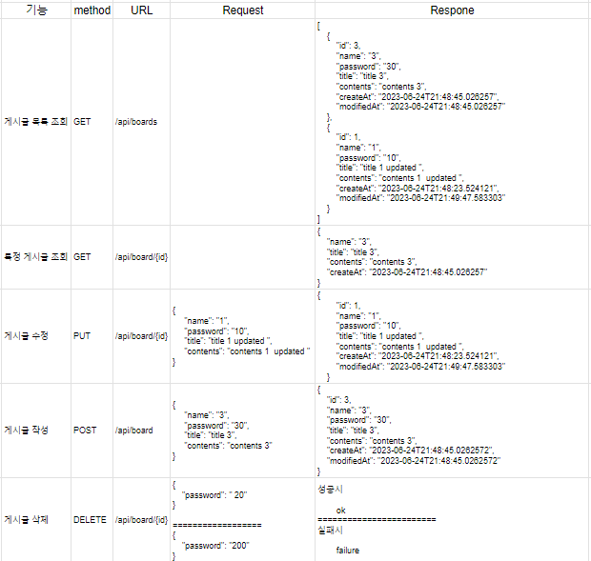
기능 | method | URL | Request | Respone
게시글 목록 조회 | GET | /api/boards |  | [ { "id": 3, "name": "3", "password": "30", "title": "title 3", "contents": "contents 3", "createAt": "2023-06-24T21:48:45.026257", "modifiedAt": "2023-06-24T21:48:45.026257" }, { "id": 1, "name": "1", "password": "10", "title": "title 1 updated ", "contents": "contents 1 updated ", "createAt": "2023-06-24T21:48:23.524121", "modifiedAt": "2023-06-24T21:49:47.583303" } ]
특정 게시글 조회 | GET | /api/board/{id} |  | { "name": "3", "title": "title 3", "contents": "contents 3", "createAt": "2023-06-24T21:48:45.026257" }
게시글 수정 | PUT | /api/board/{id} | { "name": "1", "password": "10", "title": "title 1 updated ", "contents": "contents 1 updated " } | { "id": 1, "name": "1", "password": "10", "title": "title 1 updated ", "contents": "contents 1 updated ", "createAt": "2023-06-24T21:48:23.524121", "modifiedAt": "2023-06-24T21:49:47.583303" }
게시글 작성 | POST | /api/board | { "name": "3", "password": "30", "title": "title 3", "contents": "contents 3" } | { "id": 3, "name": "3", "password": "30", "title": "title 3", "contents": "contents 3", "createAt": "2023-06-24T21:48:45.0262572", "modifiedAt": "2023-06-24T21:48:45.0262572" }
게시글 삭제 | DELETE | /api/board/{id} | { "password": " 20" } ================== { "password": "200" } | 성공시 ok ======================== 실패시 failure

